Sheet1
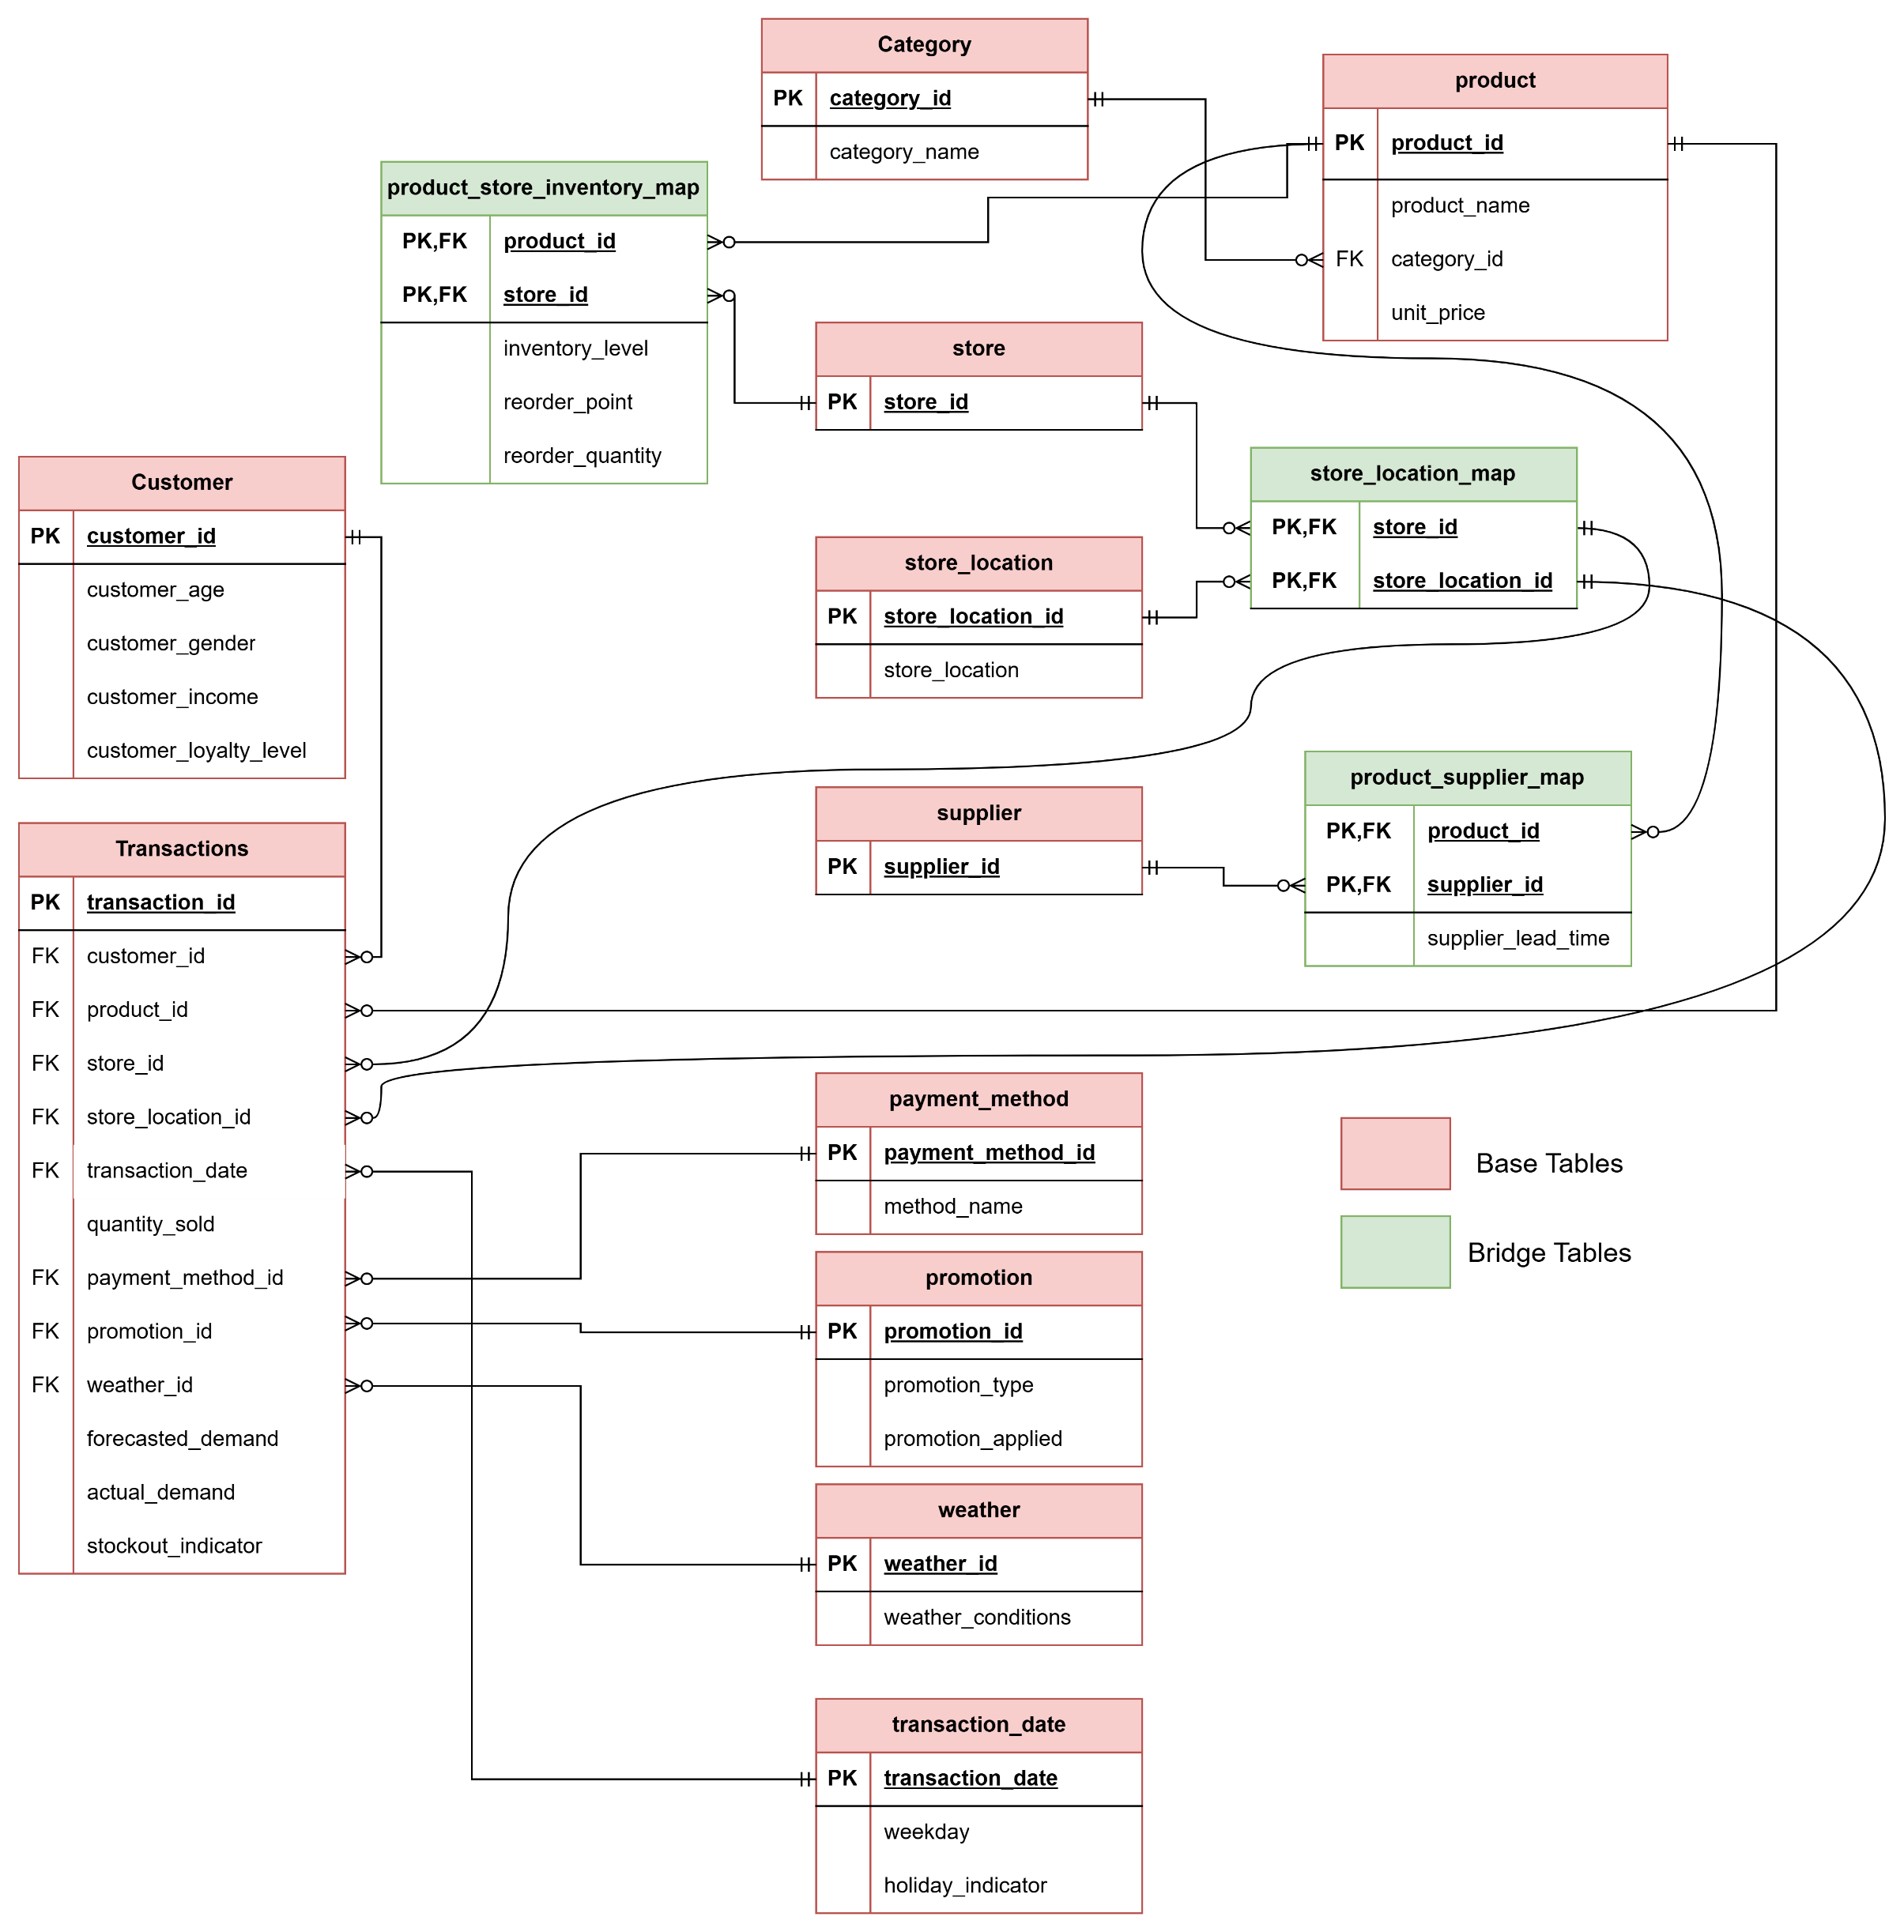
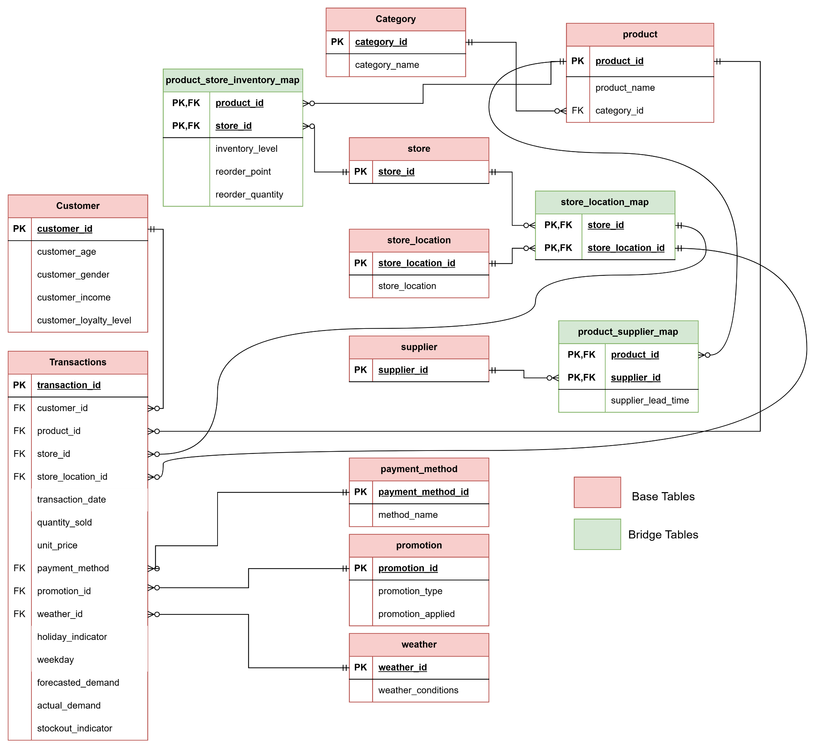
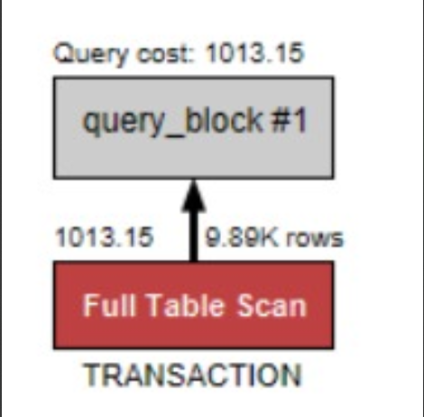
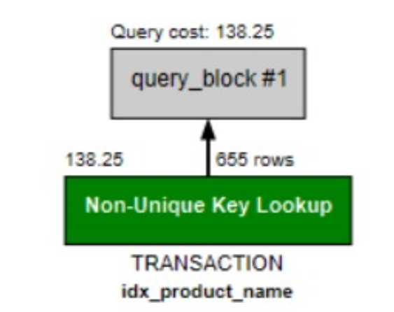
BCNF VIOLATION |  |  |  |  |  | BCNF VIOLATION

Store ID (PK) | Store Location |  |  |  |  | product_id(pk) | product_name | supplier_id | supplier_lead_time
1 | Chicago, IL |  |  |  |  | 1000 | Fridge | 100 | 10
1 | Dallas, TX |  |  |  |  | 1000 | Fridge | 101 | 6
1 | Los Angeles, CA |  |  |  |  | 1000 | Fridge | 102 | 3
1 | Miami, FL
1 | New York, NY
2 | Chicago, IL |  |  |  |  | BCNF CLEARED
2 | Dallas, TX
2 | Los Angeles, CA
2 | Miami, FL |  |  |  |  | product_id(pk) | product_name |  | supplier_id (PK)
2 | New York, NY |  |  |  |  | 1000 | Fridge |  | 101
 |  |  |  |  |  | 1001 | TV |  | 102
 |  |  |  |  |  | 1002 | Phone |  | 103

BCNF CLEARED
 |  |  |  |  |  |  | Bridge Table
store id (pk) |  | store_location_id(pk) | store_location |  |  |  | product_id(pk) | supplier_id(pk) | supplier_lead_time
1 |  | 1 | Miami, FL |  |  |  | 1000 | 101 | 10
2 |  | 2 | Dallas, TX |  |  |  | 1000 | 102 | 6
3 |  | 3 | Los Angeles, CA
4 |  | 4 | Chicago, IL
5 |  | 5 | New York, NY
6
7
8
9 |  | Bridge Table
10 |  | store_id(pk) | store_location_id (pk)
11 |  | 1 | 1
12 |  | 1 | 2
13 |  | 1 | 3
14 |  | 1 | 4
15 |  | 1 | 5
16 |  | 2 | 1
17 |  | 2 | 2
18 |  | 2 | 3
19 |  | 2 | 4
20 |  | 2 | 5

 |  |  |  |  |  |  |  |  |  |  | Transaction Table
 |  |  |  | transaction_id | customer_id | product_id | store_id | store_location_id | transaction_date | quantity_sold | unit_price | payment_method_id | promotion_id | weather_id | holiday_indicator | weekday | forecasted_demand | actual_demand | stockout_indicator
 |  |  |  | 8192 | 9440 | 1034 | 4 | 4 | 1/1/24 | 3 | 174.85 | 3 | 1 | 2 | 0 | Monday | 233 | 241 | 1
 |  |  |  | 7466 | 6227 | 1036 | 2 | 2 | 1/1/24 | 4 | 415.75 | 2 | 2 | 3 | 1 | Tuesday | 121 | 98 | 1
 |  |  |  | 7676 | 1635 | 1046 | 4 | 4 | 1/1/24 | 3 | 475.53 | 2 | 4 | 2 | 0 | Saturday | 59 | 30 | 1
 |  |  |  | 4309 | 3338 | 1015 | 20 | 1 | 1/1/24 | 5 | 1597.89 | 3 | 1 | 2 | 0 | Tuesday | 481 | 212 | 1
 |  |  |  | 5095 | 4922 | 1048 | 4 | 3 | 1/1/24 | 10 | 295.79 | 2 | 2 | 1 | 1 | Thursday | 417 | 411 | 0
 |  |  |  | 3987 | 6415 | 1004 | 11 | 4 | 1/1/24 | 4 | 1778.5 | 4 | 1 | 4 | 1 | Monday | 473 | 99 | 0
 |  |  |  | 6 | 3286 | 1004 | 1 | 5 | 7/6/24 | 4 | 1465.38 | 1 | 1 | 3 | 1 | Saturday | 294 | 265 | 0

 |  |  |  |  |  |  | New Date table |  |  |  | Old product table
 |  |  |  |  |  |  | date | weekday | holiday_indicator |  | product_id | product_name | category_id | unit_price
 |  |  |  |  |  |  | 2024-03-31 | Sunday | 0 |  | 1000 | Fridge | 1 | 822.18
 |  |  |  |  |  |  | 2024-04-01 | Monday | 1 |  | 1004 | Sondy DSLR Camera | 2 | 1465.38

 |  |  |  |  | transaction_id | customer_id | product_id | store_id | store_location_id | transaction_date | quantity_sold | payment_method_id | promotion_id | weather_id | forecasted_demand | actual_demand | stockout_indicator
 |  |  |  |  | 8192 | 9440 | 1034 | 4 | 4 | 1/1/24 | 3 | 3 | 1 | 2 | 233 | 241 | 1
 |  |  |  |  | 7466 | 6227 | 1036 | 2 | 2 | 1/1/24 | 4 | 2 | 2 | 3 | 121 | 98 | 1
 |  |  |  |  | 7676 | 1635 | 1046 | 4 | 4 | 1/1/24 | 3 | 2 | 4 | 2 | 59 | 30 | 1
 |  |  |  |  | 4309 | 3338 | 1015 | 20 | 1 | 1/1/24 | 5 | 3 | 1 | 2 | 481 | 212 | 1
 |  |  |  |  | 5095 | 4922 | 1048 | 4 | 3 | 1/1/24 | 10 | 2 | 2 | 1 | 417 | 411 | 0
 |  |  |  |  | 3987 | 6415 | 1004 | 11 | 4 | 1/1/24 | 4 | 4 | 1 | 4 | 473 | 99 | 0

